Sheet1
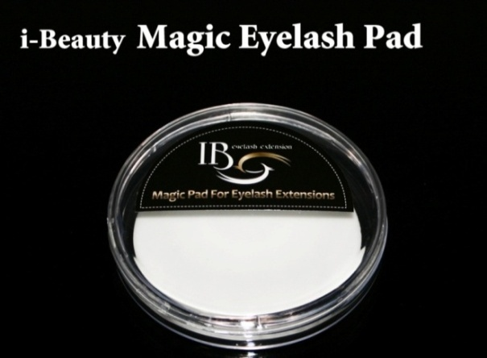
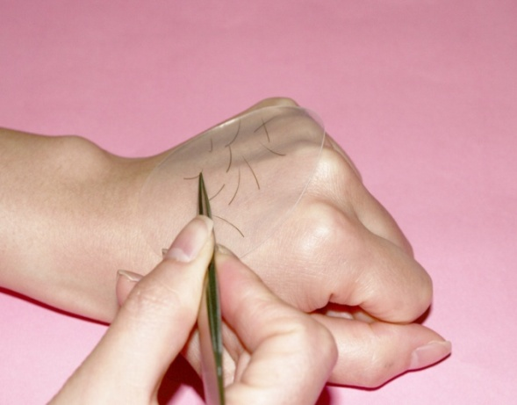
 |  | Item No: P-01 $1.20 |  |  |  |  |  |  | Item No: P-02 $0.80
 |  | MOQ:50pcs |  |  |  |  |  |  | MOQ:50pcs
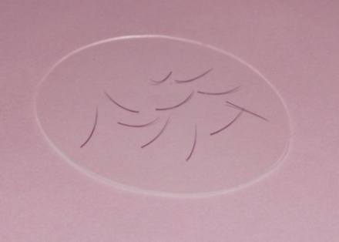
 |  | Put lashes on it and lashes stands on the pad
 |  | so it is easier to pick lashes with tweezer.

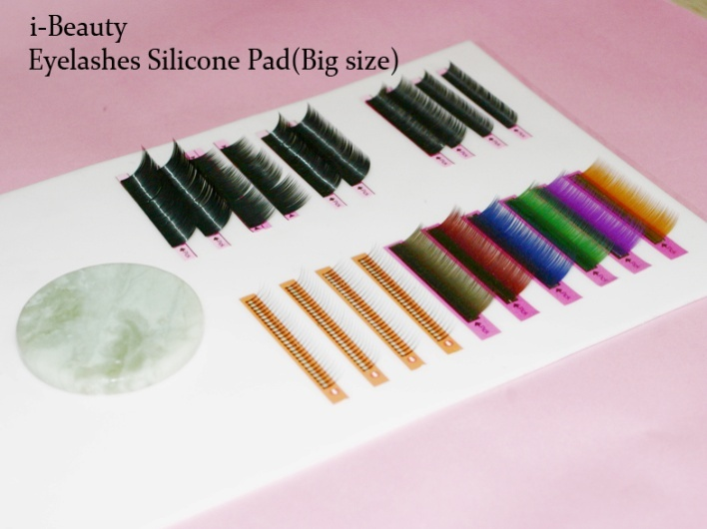
 |  |  | Eyelashes Silicone Pad(Big size) P-04
 |  |  | Eyelashes Silicone Pad(Small size) P-03
 |  |  | Item No: P-03 $3.00 (150mm * 100mm)
 |  |  | Item No: P-04 $4.00 (230mm * 150mm)

 |  |  | MOQ:20pcs

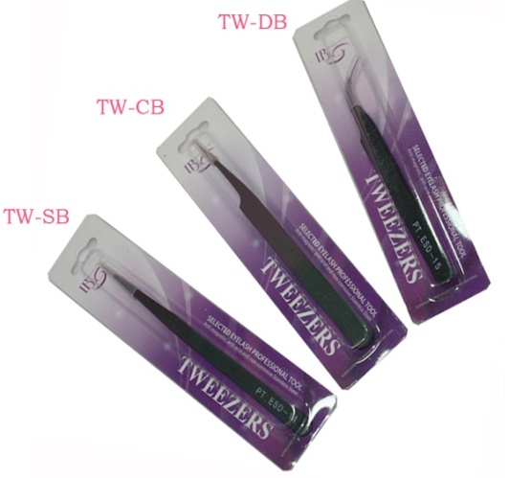
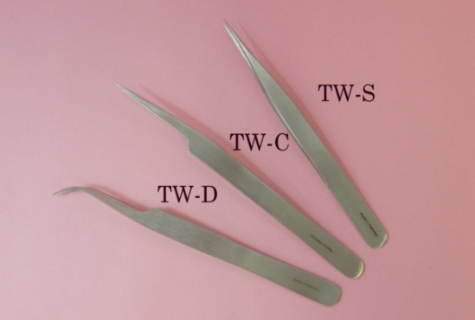
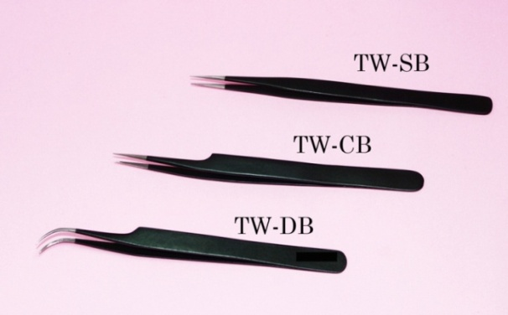
 |  |  |  |  |  |  |  | Item No : TW-S/TW-C/TW-D $1.60 (Stainless Steel Tweezers)
 |  |  |  |  |  |  |  | Item No : TW-SB/TW-CB/TW-DB $1.80 (Black Tweezers)

 |  |  |  |  |  |  |  | MOQ:50pcs

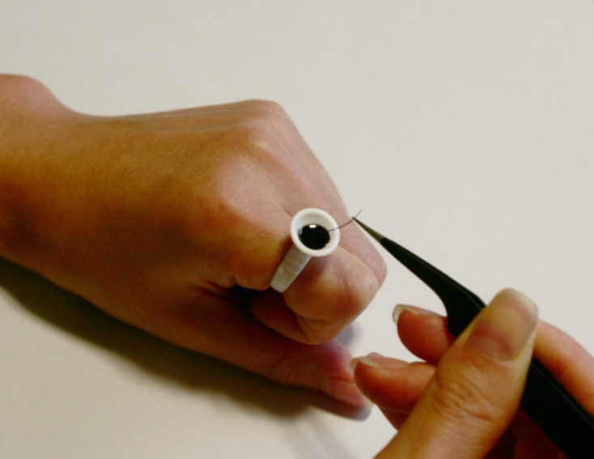
Glue Ring - $5.00 |  | Glue Ring - $5.00 |  |  |  | Glue Ring - $5.00
Item No: GT-01 |  |  | Item No: GT-02 |  |  | Item No: GT-03
100 pieces in a bag |  |  | 100 pieces in a bag |  |  | 100 pieces in a bag
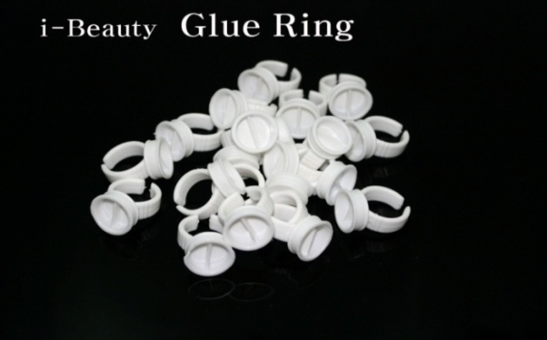
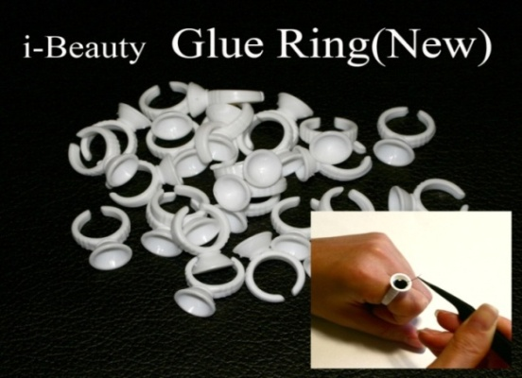
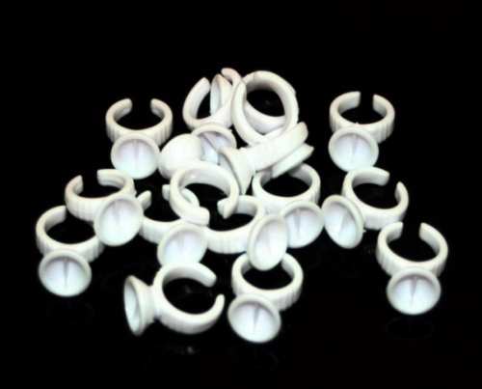

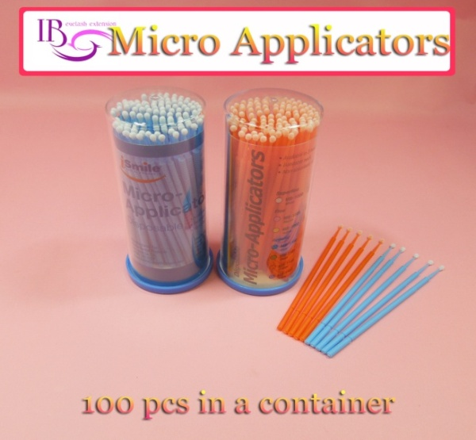

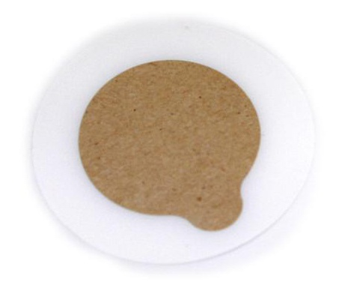
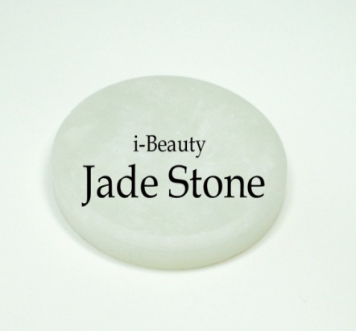
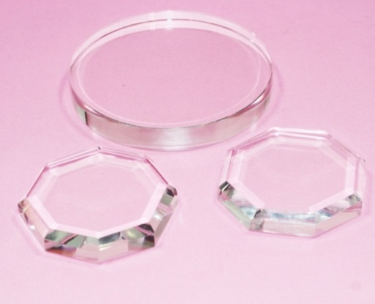
 | Jade Stone Glue Tray - $1.20 |  |  |  |  |  | Crystal Glue Tray - $1.50 |  |  |  |  |  | Glue plate film Tray - 1Pack $3.50
 | Item No : GT04 (MOQ -50pcs) |  |  |  |  |  | Item No : GT05 (MOQ -50pcs) |  |  |  |  |  | Item No : GT06 (MOQ-50Pack)
 | Jade stone glue tray is your glue cool |  |  |  |  |  |  |  |  |  |  |  | 1 Pack in a 30pcs.
 | so it doesn’t dry up during application.

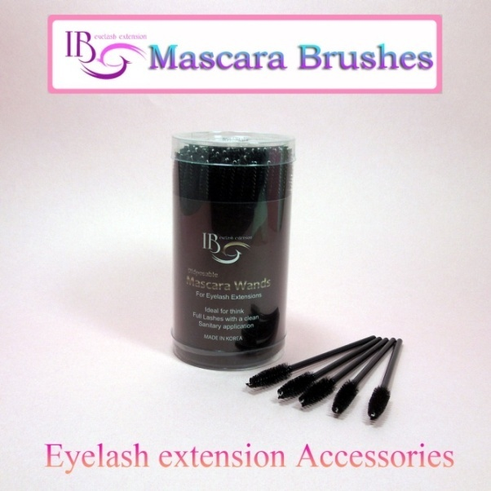
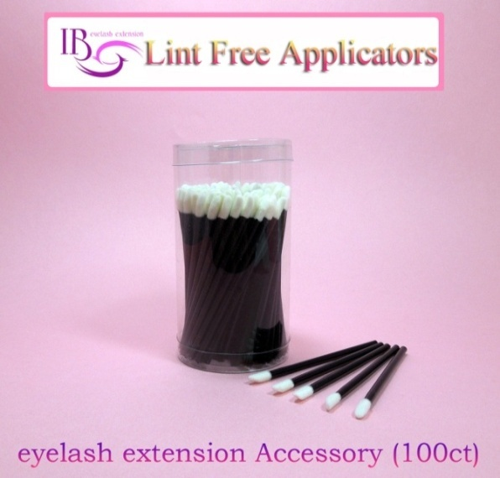
 |  | Item No: T-MB1 |  |  |  |  | Item No: T-MB2 |  |  |  |  |  |  | Item No: T-LA3
 |  | Micro Brushes - $5.00 |  |  |  |  | Mascara Brushes - $5.00 | Mascara Brushes - $5.00 |  |  |  |  |  | Lint Free Applicators -$5.00
 |  | MOQ: 10 Pack |  |  |  |  |  | MOQ: 10pack |  |  |  |  |  | MOQ: 10pack
 |  | 100 pieces in a case. |  |  |  |  |  | 100 pieces in a case. |  |  |  |  |  | 100 pieces in a case.

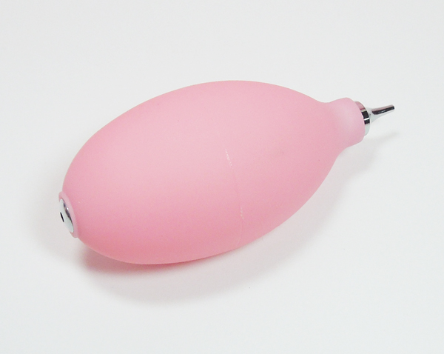
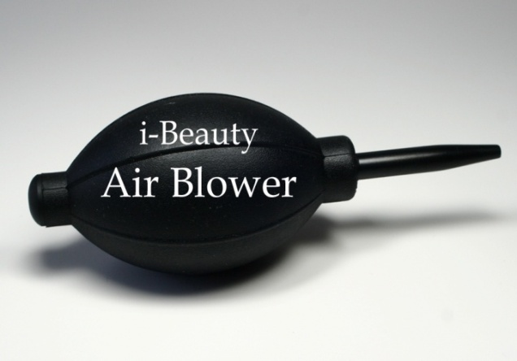
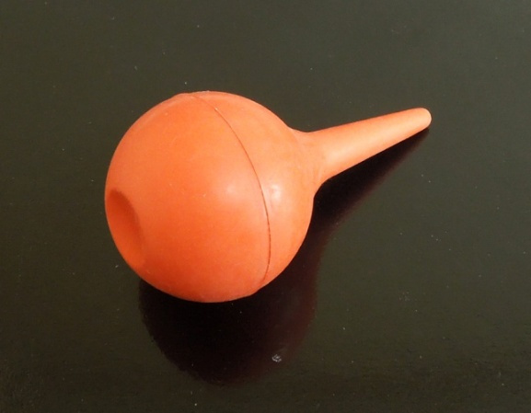
 |  | Air Blower - $1.50 Item No: AB-01 |  |  |  |  |  |  | Air Blower - $1.90 Item No: AB-02 |  |  |  |  |  |  | Air Blower - $0.80 AB-03
 |  | (MOQ -50pcs) |  |  |  |  |  |  | (MOQ -50pcs) |  |  |  |  |  |  | (MOQ -50pcs)
 |  | Air blower to quickly drying
 |  | of glue for eyelash extensions.

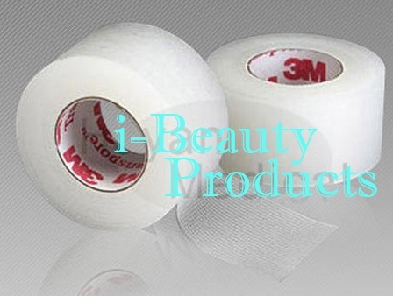

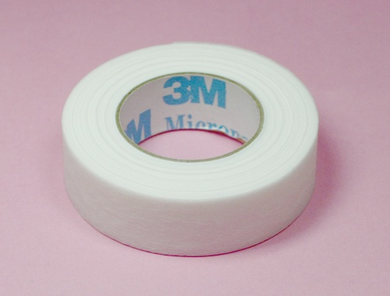

 | Surgical Tape - $0.65 Item No: T-01 |  |  |  |  |  |  | Clear Plastic Tape - $0.85 Item No: T-02
 | MOQ: 24 pcs(1 box) |  |  |  |  |  |  | MOQ: 24 pcs(1 box)

 |  |  |  | 21.775
 |  |  |  |  |  |  |  |  |  | 28.475

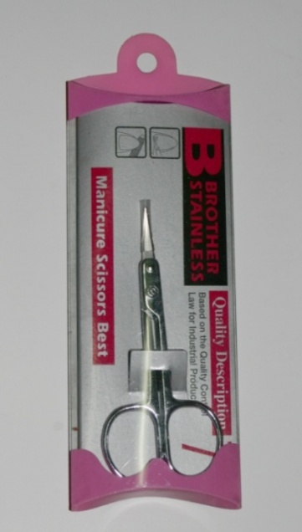

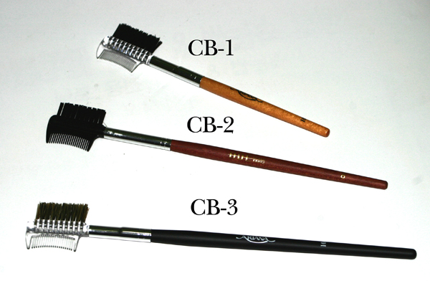
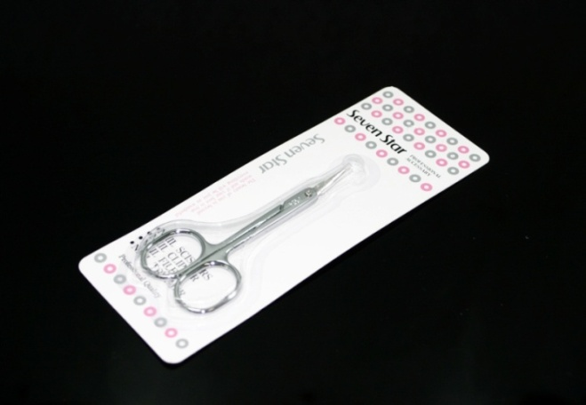
 |  |  |  |  |  |  |  | Scissor - $1.50 |  |  |  | Scissor - $1.50
 |  | Eyelashes comb brushes |  |  |  |  |  | Item No: TS-1 |  |  |  | Item No: TS-2
 |  | Item No: T-CB1,3 |  |  |  |  |  | (MOQ-30pcs) |  |  |  | (MOQ-30pcs)
 |  | $1.00 (MOQ-50pcs)

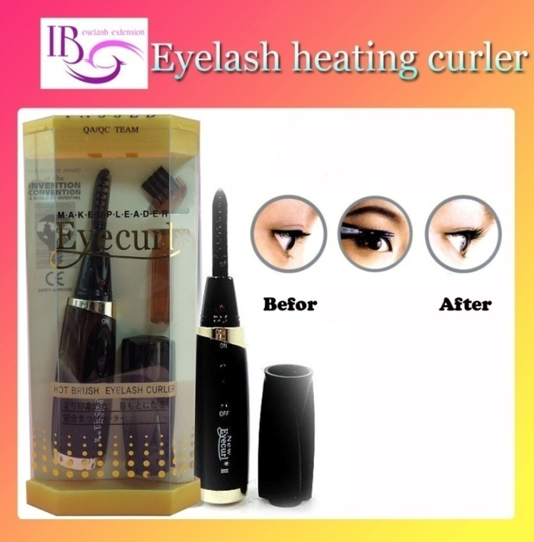
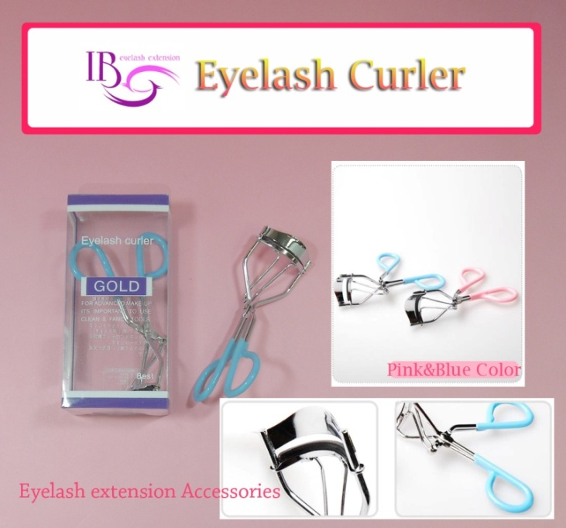
 |  | Heated Eyelash Curler $7.50 Item No: T-C01 (MOQ:10pcs)
 |  | 1) Open the battery cover. |  |  |  |  |  |  |  |  |  |  | Eyelash Curler $1.50 Item No: T-C02
 |  | 2) Insert two AAA size batteries properly into the battery compartment. |  |  |  |  |  |  |  |  |  |  | MOQ:50pcs
 |  | 3) Switch on the curler, and then LED lamp will be on Green light. |  |  |  |  |  |  |  |  |  |  | material:iron with vinyl coating
 |  | 4)After few seconds,the color of the silicone pad will be changed from
 |  | red to white as maximun operating internal temperature of the unit is reached.

 |  | - ready for use -
 |  | The heating system maintains the optimal curling temperature-curl after curl
 |  | 5)Place the curling surface against base of your desired lashes in bottom.
 |  | 6) Simply pushing a lever upwards,and keep pressing for about2 to 3 seconds.
 |  | 7) After you have finished curling turn off the curler by moving the switch down.

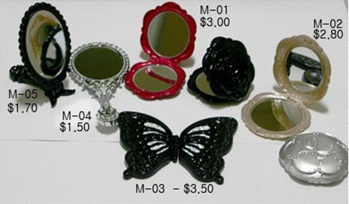
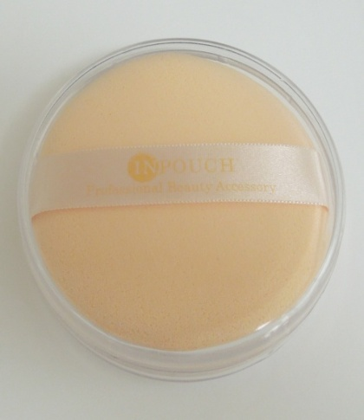
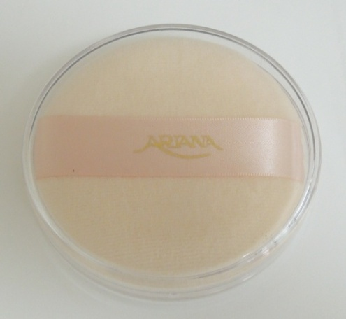

 |  |  |  | Mirror Item No : M01 - $3.00
 |  |  |  |  | Item No : M02 - $2.80
 |  |  |  |  | Item No : M03 - $3.50 |  |  |  |  |  |  |  |  |  | Make up Sponge
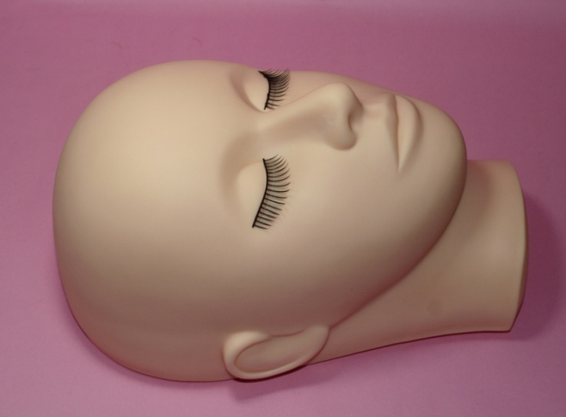
 |  |  |  |  | tem No : M04 - $1.50
 |  |  |  |  | Item No : M05 - $1.70

 |  |  |  |  | MOQ-30pcs

 |  |  |  |  |  | Item No:MS1-$1.50 |  |  | Item No:MS2-$1.80
 |  |  |  |  |  |  |  |  |  |  |  | Item No:MS3-$2.00

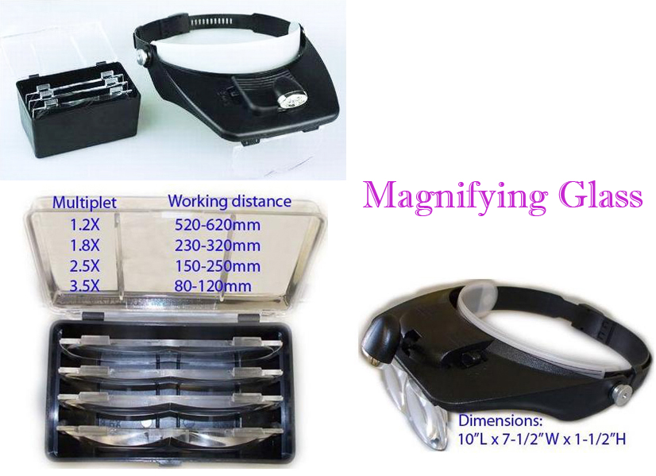

 |  |  | Mannequin Head |  |  |  |  |  |  |  | Magnifying Glass
 |  |  | for training eyelash extension. |  |  |  |  |  |  |  | Item No : A-MG $14.00
 |  |  | Item No: A-TM |  | $13.00

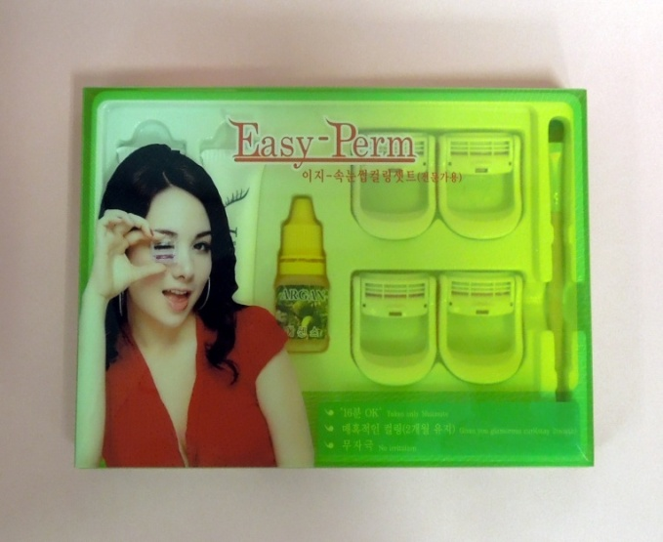

 |  | Eyelashes Perm Set - Item: PS
 |  | MOQ -10 set $18.00
 |  | Takes only 16 minute.
 |  | Gives you glanorous curl( stay 2 month)
 |  | No irritation.

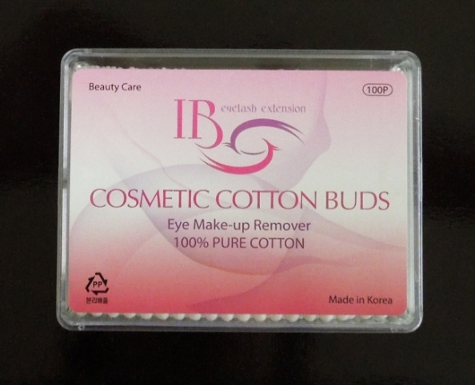

 |  | Cotton bud - Item No : CB
 |  | MOQ -10 set $1.00

заказ на всех
Mink Eyelashes |  |  |  | Thickness | Length | шт
 | C-curl | #Special Mink Eyelashes(0.5g) |  | 0.15 | 7 | 35
 | C-curl | #Special Mink Eyelashes(0.5g) |  | 0.15 | 9 | 35
 | C-curl | #Special Mink Eyelashes(0.5g) |  | 0.15 | 11 | 35
 | C-curl | #Special Mink Eyelashes(0.5g) |  | 0.15 | 12 | 35
 | C-curl | #Special Mink Eyelashes(0.5g) |  | 0.15 | 13 | 35
 | C-curl | #Special Mink Eyelashes(0.5g) |  | /0.25 | 6 | 30
 | C-curl | #Special Mink Eyelashes(0.5g) |  | /0.25 | 8 | 30
 | C-curl | #Special Mink Eyelashes(0.5g) |  | /0.25 | 10 | 25
 | C-curl | #Special Mink Eyelashes(0.5g) |  | /0.25 | 13 | 30
 | C-curl | #Special Mink Eyelashes(0.5g) |  | /0.25 | 14 | 30
 | D-curl | #Special Mink Eyelashes(0.5g) |  | 0/20 | 8 | 35
 | D-curl | #Special Mink Eyelashes(0.5g) |  | 0/20 | 11 | 35
 | D-curl | #Special Mink Eyelashes(0.5g) |  | 0/25 | 13 | 35
 | D-curl | #Special Mink Eyelashes(0.5g) |  | 0/20 | 14 | 35
 | D-curl | Special Mink Mix Eyelashes |  | 0/20 | *Available length:7~20mm | 45
 | D-curl | Special Mink Mix Eyelashes |  | 0/20 | *Available length:7~20mm | 45
 |  |  | 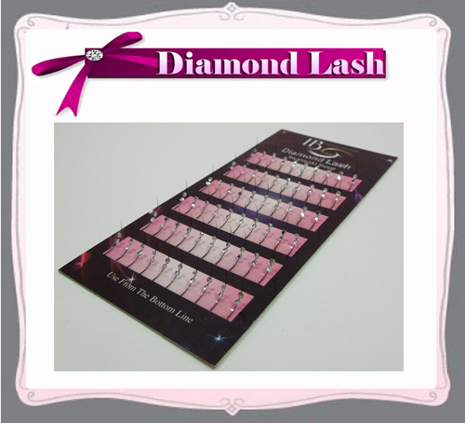 |  |  | 30
 |  |  | 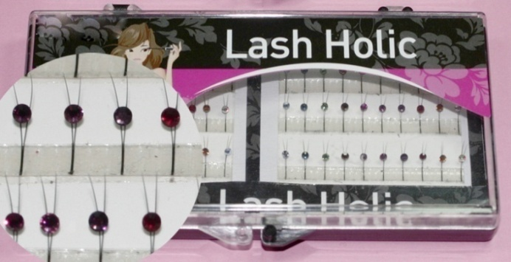 |  |  | 30
 |  |  |  | 5 ML |  | 45
 |  |  |  | 10ML |  | 25
 |  |  |  | 5ML |  | 50
 |  |  |  | 10ML |  | 25
 |  |  |  | 5ML |  | 50
 |  |  |  | 10ML |  | 35
 |  |  |  | 5ML |  | 35
 |  |  |  | 10ML |  | 25
 |  |  |  | 10ML |  | 20
 |  |  |  | 5ML |  | 25
 |  |  |  | 10ML |  | 16
 |  |  |  | 5ml |  | 40
 |  |  |  | 10ml |  | 25
 |  | * Gel Remover(15ml) | 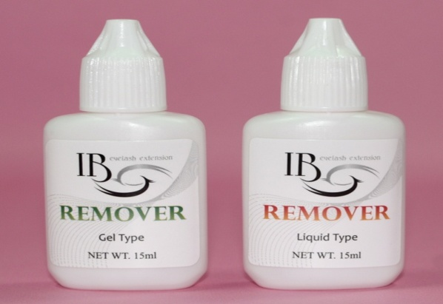 | 15 ml |  | 80
 |  | EB-Content : 15ml | 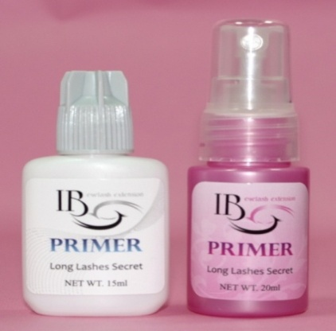 | 15ml |  | 50
 |  |  |  | TW-DB |  | 50
 |  |  |  | CB-2 |  | 50
 |  |  |  |  |  | 10
 |  |  |  |  |  | 10

