Sheet1
 |  | 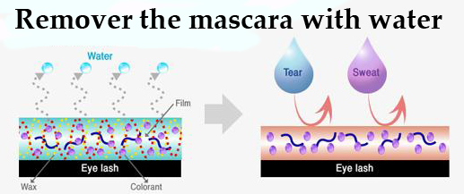
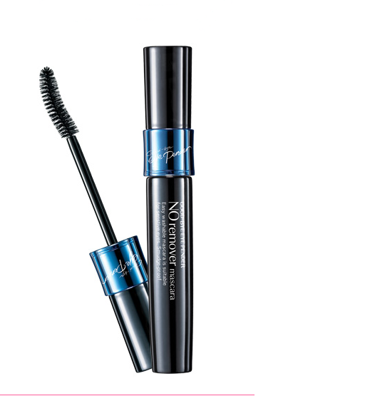
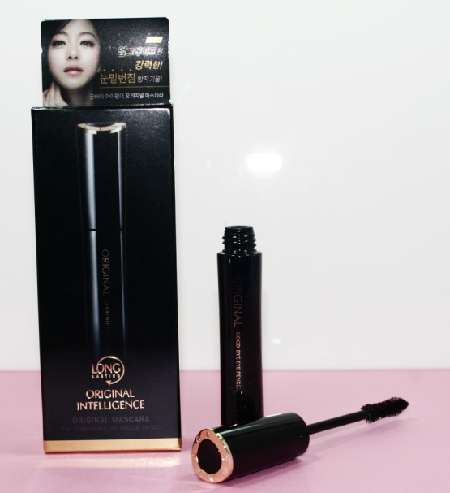
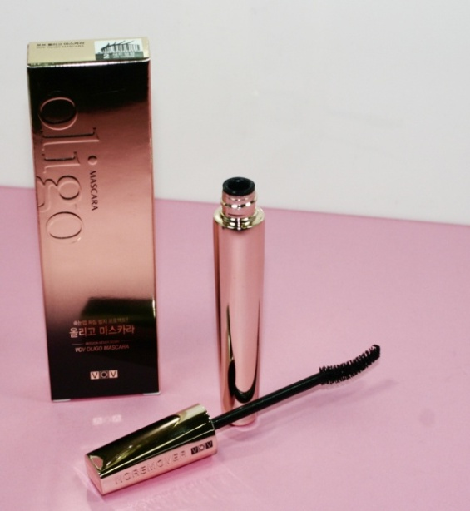
Item No: M-06 $12.00 |  |  |  |  | Item No: M-07 $12.00 |  |  |  |  |  |  | Item No: M-08 $11.00
*Water based mascara |  |  |  |  | Minimum Order: 10 pcs |  |  |  |  |  |  | *Water based mascara
*Remover the mascara with warm water |  |  |  |  |  |  |  |  |  |  |  | *Remover the mascara with warm water
*Double Volume Up |  |  |  |  | *Water based mascara |  |  |  |  |  |  | *Double Volume Up
*Use easy remover |  |  |  |  | *Remover the mascara with warm water |  |  |  |  |  |  | *Use easy remover
 |  |  |  |  | *Double Volume Up
Minimum Order: 10 pcs |  |  |  |  | *Use easy remover |  |  |  |  |  |  | *Use easy remover

 |  |  |  |  |  |  |  |  |  |  |  | Minimum Order: 10 pcs

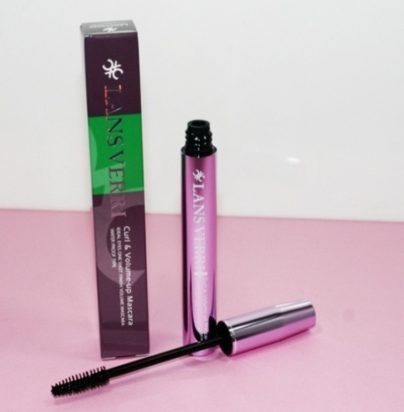
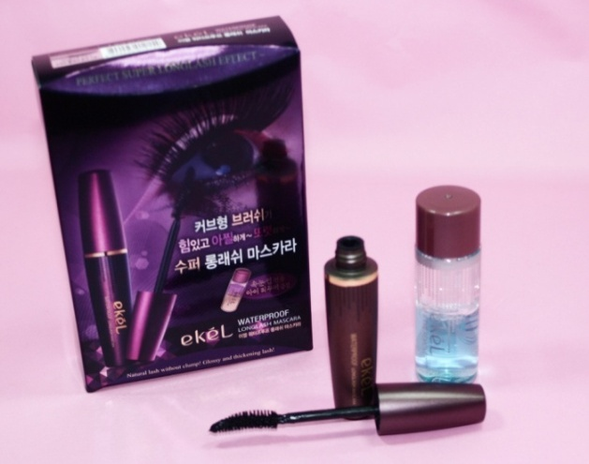
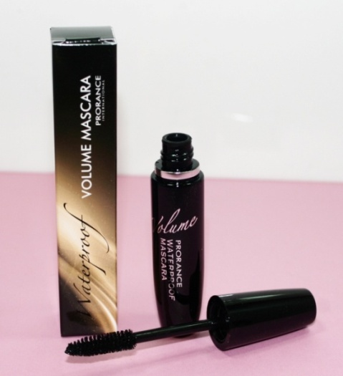
 | Weterproof Volume Up Mascara |  |  |  |  | Lanns Verri Mascara |  |  |  |  | Prorance Mascara
 | Item No: M-09 $11.00 |  |  |  |  | Item No: M-10 $3.50 |  |  |  |  | Item No: M-11 $4.00
 | Minimum Order: 10 pcs |  |  |  |  | Minimum Order: 30 pcs |  |  |  |  | Minimum Order: 30 pcs
 | *Perfect Volume Effect
 | *Making Soft Eye Look
 | *Long Lasting Vivid
 | *Voluminous and Clean Feel of Use

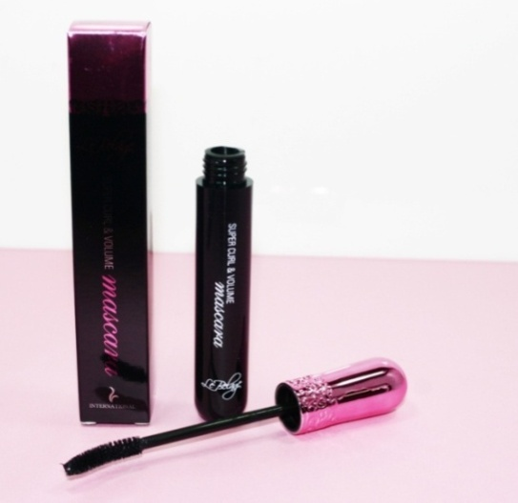
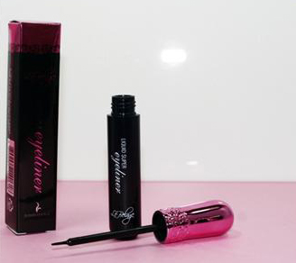

Lebelage Mascara |  |  |  |  |  | Labelage Eyeliner
Item No: M-12 $4.00 |  |  |  |  |  | Item No: M-13 $4.00
Minimum order: 30 pcs |  |  |  |  |  | Minimum order: 30 pcs

*Curl & Volume-Up Mascara
*Waterproof Type

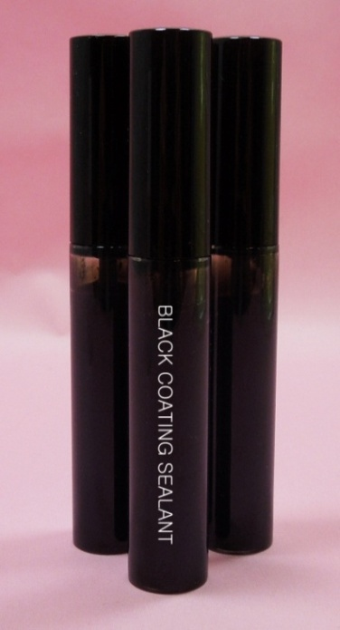
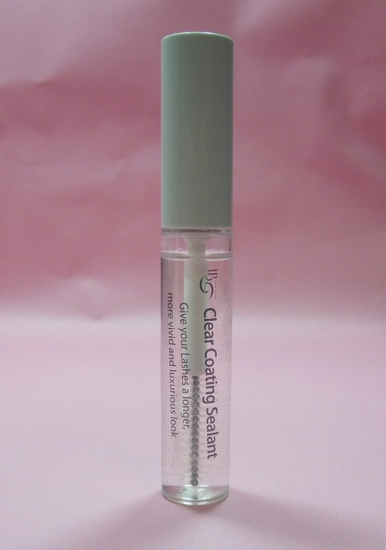

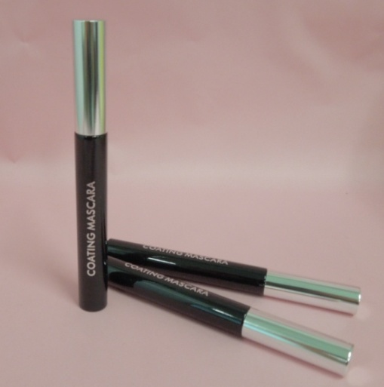

Black Coating Mascara |  |  |  | Eyelash Extension Clear Coating Sealant |  |  |  |  | Eyelash Extension Protective Black Coating Sealant
Item No : CM-01 S3.50 |  |  |  | Item No : CM-02 S3.50 |  |  |  |  | Item No: CM-03
Minimum order: 30 pcs |  |  |  | Minimum Order: 30 pcs |  |  |  |  | Minimum Order: 30pcs
 |  |  |  | Protect the lashes from oil, moisture and dust. |  |  |  |  | Protect the lashes from oil, moisture and dust.
 |  |  |  | Keep Longer for eyelashes extensions. |  |  |  |  | Keep Longer for eyelashes extensions.

 |  |  |  |  | Revitalize the look of your lashes.
 |  |  |  |  | Longer! Thicker ! Fuller!
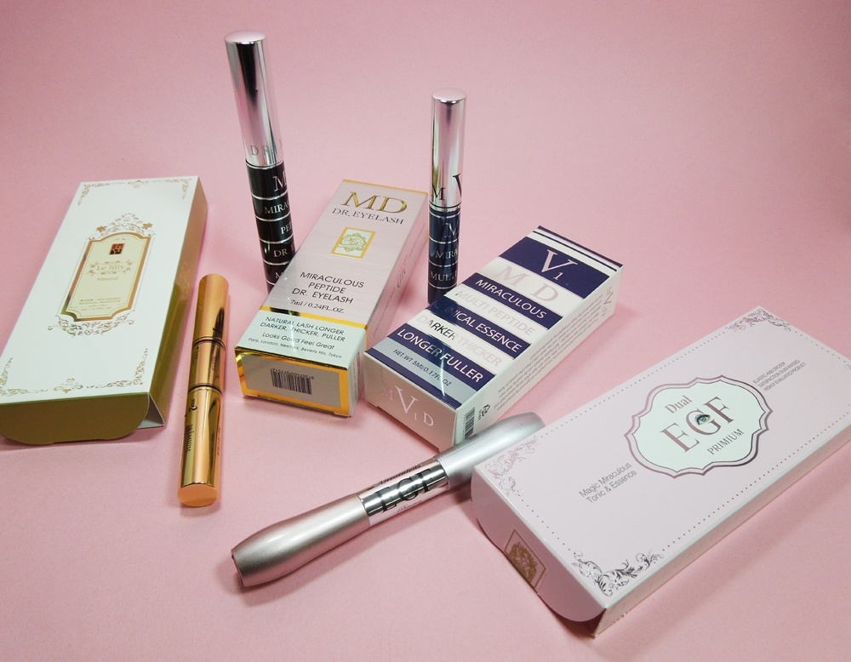
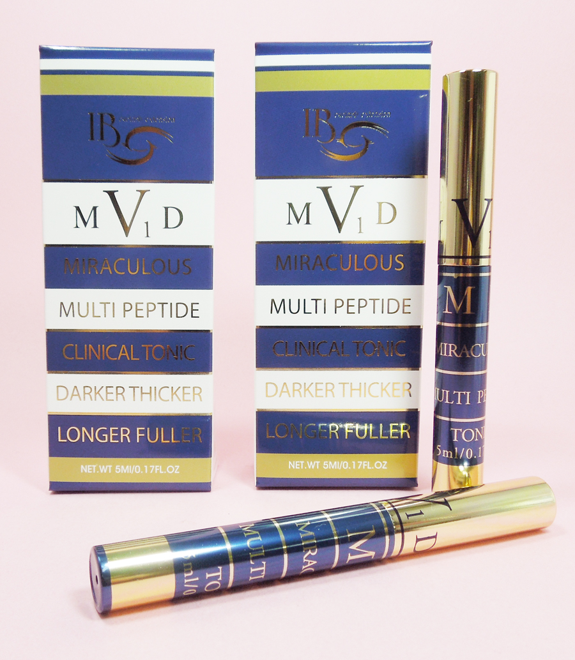

 |  |  |  |  |  |  |  | MD Eyelash Tonic & MD Set(Tonic+Essence)

 |  |  |  |  |  |  |  | Item No: MD V1 Set(1Box-Tonic 5ml+2Box-Essence 5ml) - $16 USD
 |  |  |  |  |  |  |  | Minimum order: 30 pcs
 |  |  |  |  |  |  |  | Item No: MD V1 -Tonic 5ml - $13 USD
 |  |  |  |  |  |  |  | Item No: MD V1 -Essence 5ml - $5 USD

 |  |  | Item No: ET-01 - $7.50USD |  |  |  |  |  |  | Item No: ET-02 - $7.50USD

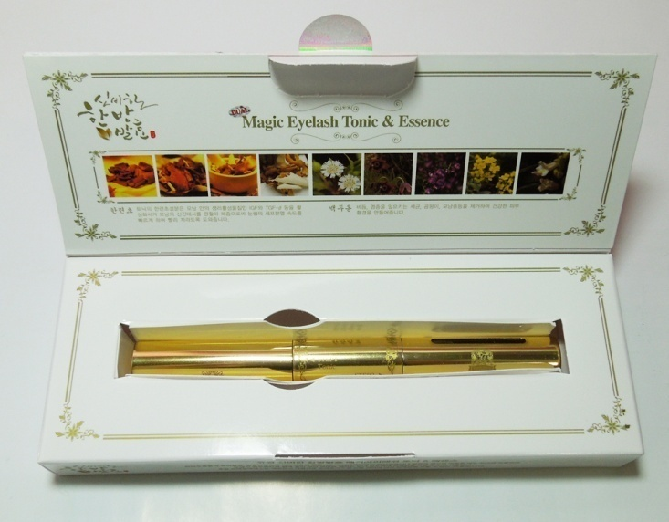
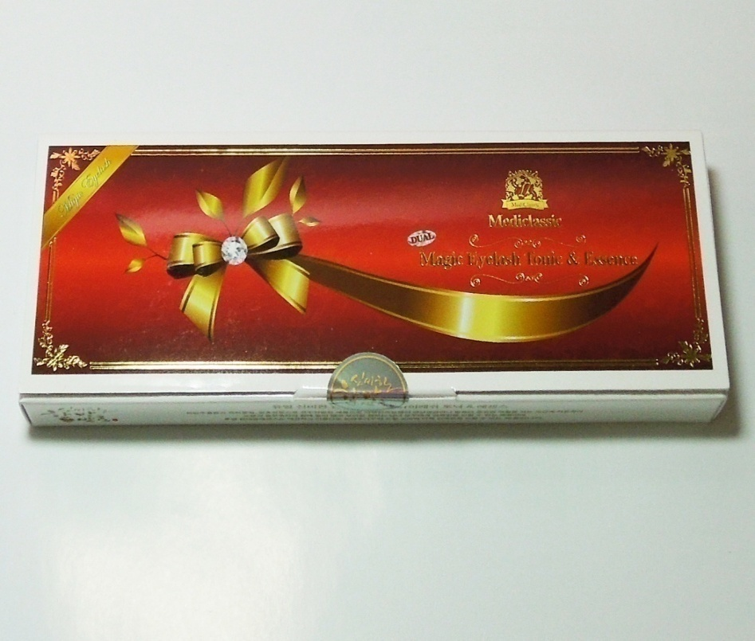
 |  |  |  |  |  |  | Eyelash Tonic
 |  |  |  |  |  |  | Item No: ET-03 - $7.50
 |  |  |  |  |  |  | Minimum order: 30 pcs
 |  |  |  |  |  |  | 1 Step : Eyelash Tonic
 |  |  |  |  |  |  | 2 Step : Eyelash Essence

заказ на всех
Mink Eyelashes |  |  |  | Thickness | Length | шт
 | C-curl | #Special Mink Eyelashes(0.5g) |  | 0.15 | 7 | 35
 | C-curl | #Special Mink Eyelashes(0.5g) |  | 0.15 | 9 | 35
 | C-curl | #Special Mink Eyelashes(0.5g) |  | 0.15 | 11 | 35
 | C-curl | #Special Mink Eyelashes(0.5g) |  | 0.15 | 12 | 35
 | C-curl | #Special Mink Eyelashes(0.5g) |  | 0.15 | 13 | 35
 | C-curl | #Special Mink Eyelashes(0.5g) |  | /0.25 | 6 | 30
 | C-curl | #Special Mink Eyelashes(0.5g) |  | /0.25 | 8 | 30
 | C-curl | #Special Mink Eyelashes(0.5g) |  | /0.25 | 10 | 25
 | C-curl | #Special Mink Eyelashes(0.5g) |  | /0.25 | 13 | 30
 | C-curl | #Special Mink Eyelashes(0.5g) |  | /0.25 | 14 | 30
 | D-curl | #Special Mink Eyelashes(0.5g) |  | 0/20 | 8 | 35
 | D-curl | #Special Mink Eyelashes(0.5g) |  | 0/20 | 11 | 35
 | D-curl | #Special Mink Eyelashes(0.5g) |  | 0/25 | 13 | 35
 | D-curl | #Special Mink Eyelashes(0.5g) |  | 0/20 | 14 | 35
 | D-curl | Special Mink Mix Eyelashes |  | 0/20 | *Available length:7~20mm | 45
 | D-curl | Special Mink Mix Eyelashes |  | 0/20 | *Available length:7~20mm | 45
 |  |  | 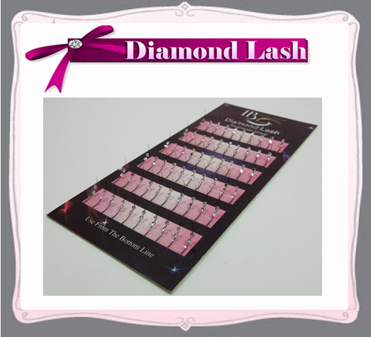 |  |  | 30
 |  |  | 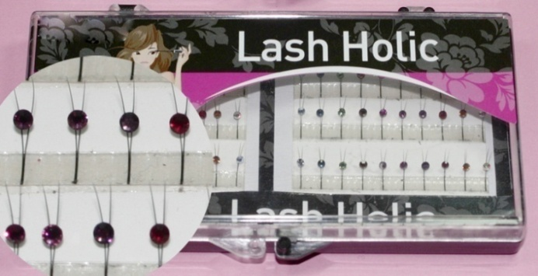 |  |  | 30
 |  |  |  | 5 ML |  | 45
 |  |  |  | 10ML |  | 25
 |  |  |  | 5ML |  | 50
 |  |  |  | 10ML |  | 25
 |  |  |  | 5ML |  | 50
 |  |  |  | 10ML |  | 35
 |  |  |  | 5ML |  | 35
 |  |  |  | 10ML |  | 25
 |  |  |  | 10ML |  | 20
 |  |  |  | 5ML |  | 25
 |  |  |  | 10ML |  | 16
 |  |  |  | 5ml |  | 40
 |  |  |  | 10ml |  | 25
 |  | * Gel Remover(15ml) | 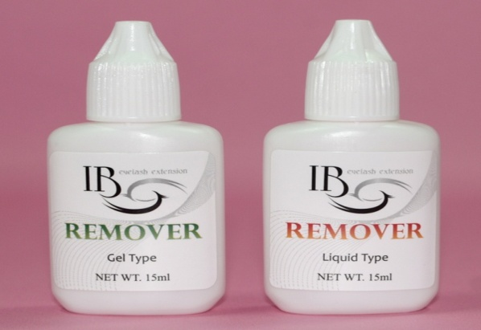 | 15 ml |  | 80
 |  | EB-Content : 15ml | 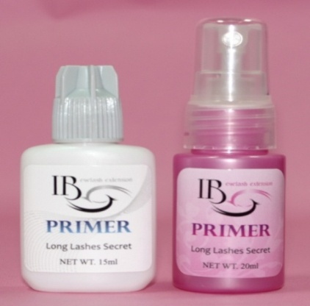 | 15ml |  | 50
 |  |  | 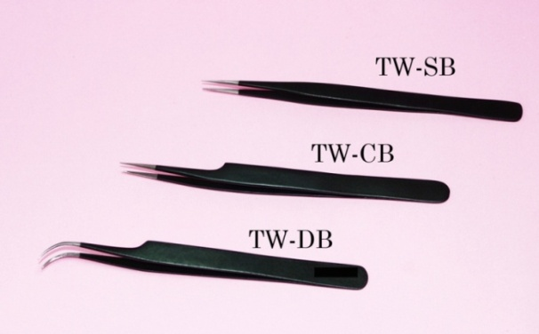 | TW-DB |  | 50
 |  |  | 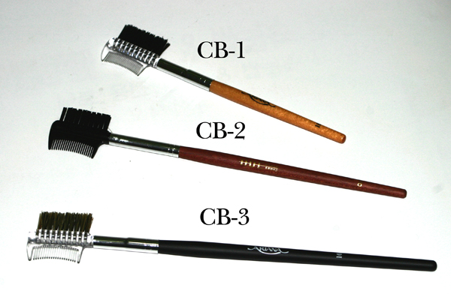 | CB-2 |  | 50
 |  |  | 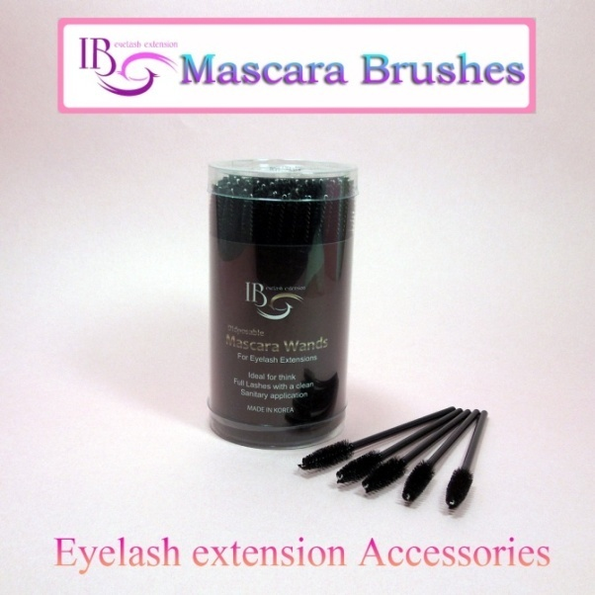 |  |  | 10
 |  |  | 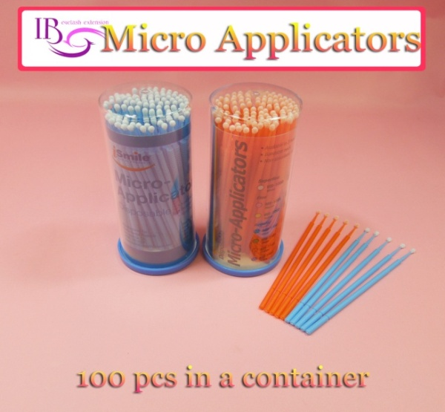 |  |  | 10

